Input 4
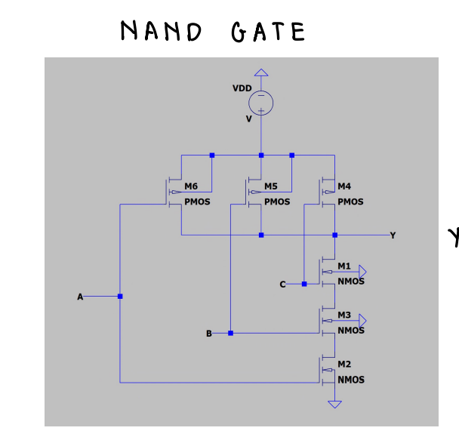
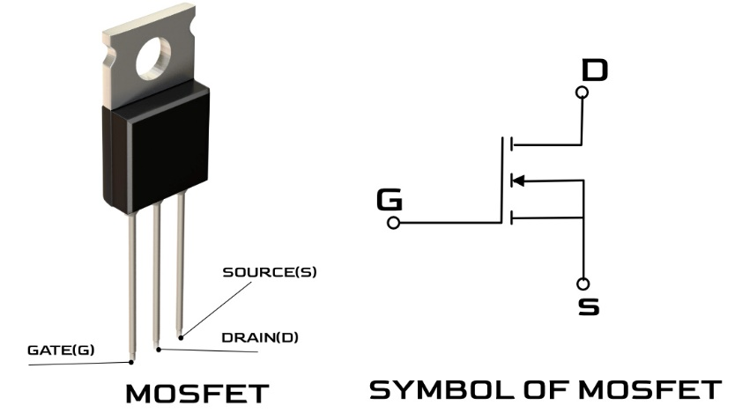
Temperature | API Output | Correct Parts | Correct Connections
0 | Here is a circuit diagram for a three input NAND gate using CMOS logic: ``` Vdd / | \ / | \ / | \ / | \ / | \ |-|---------|P|-----------|---- Output | --- | | / \ | | Input1 |/ G | Input2 | |--------|\_N_|-----------| | \ / | | --- | | / \ | | Input3 |/ \ | |--------|-----|-----------| | | GND ``` The circuit uses both PMOS and NMOS transistors to implement the logic function. - The PMOS transistors are connected in parallel between the power supply (Vdd) and the output. Their gates are connected to the 3 inputs. - The NMOS transistors are connected in series between the output and ground (GND). Their gates are also connected to the 3 inputs. - When all inputs are LOW (0), the PMOS transistors turn ON and pull the output HIGH (1). This implements the NAND logic. - If any of the inputs is HIGH (1), the corresponding PMOS transistor turns OFF. But the NMOS chain turns ON and pulls the output LOW (0). So this forms a basic 3 input NAND gate using CMOS technology. Additional transistors can be added in parallel to increase the drive strength if desired. | U | Y | Doesn’t specify how many transistors
0 | Here is a circuit diagram for a three input NAND gate using CMOS logic: ``` Vdd / | \ / | \ / | \ / | \ / | \ |-|---------|P|-----------|---- Output | --- | | / \ | | Input1| |Input2 | | \ / | | --- | | |Input3 | | | | \ / | \ / | \ / | \ | | \__|___________________| | ``` The circuit uses both PMOS and NMOS transistors to implement the logic function. - The PMOS transistors (labeled P) are connected to Vdd and act as the "pull up" network, connecting the output to high when the inputs are low. - The NMOS transistors act as the "pull down" network, connecting the output to ground when the inputs are high. - When any of the inputs is low, the corresponding NMOS is off while the PMOS transistors pull the output high to Vdd, resulting in a NAND logic function. So this circuit implements a three input NAND gate using complementary CMOS transistors. | U | U | Diagram
0 | Here is a circuit diagram for a three input NAND gate using CMOS logic: ``` Vdd / | \ / | \ / | \ / | \ / | \ |-|---------|P|-----------|---- Output | --- | | / \ NMOS | | / \ | | / \ | | / \ | || || | || || --|-- Input A || //|| --|-- Input B || // || --|-- Input C || // || || // || || // || || // || | --- || | | \ PMOS || |--|----------------|| | | \ / \ / \ / \ / \ / \ / \ / \/ GND ``` The circuit uses both PMOS and NMOS transistors configured as a NAND gate. The three inputs A, B, and C are the gate inputs. The output inverts the NAND logic function of the three inputs. This implements a three input NAND gate using CMOS technology. | U | U | Diagram
0 | Here is a circuit diagram for a three input NAND gate using CMOS logic: ``` Vdd / | \ / | \ / | \ / | \ / | \ |-|---------|P|-----------|---- Output | --- | | / \ NMOS | | / \ | | / \ | | / \ | || || | || || --|-- Input A || //|| --|-- Input B || // || | || // || --|-- Input C || // || | || // || | |-----||// ||---------|----- Ground | | | | |_| ``` It uses both PMOS and NMOS transistors to implement the logic. The PMOS transistors are connected in parallel between the power supply and output, with their gates connected to the inputs. The NMOS transistors are connected in series between the output and ground, also with their gates connected to the inputs. This arrangement implements the NAND logic by producing a LOW output (close to ground) if any of the inputs are HIGH, and a HIGH output (close to Vdd) only if all inputs are LOW, as required for a NAND gate. The complementary use of PMOS and NMOS transistors allows the gate to efficiently conduct current while also actively pulling the output HIGH or LOW as needed. This makes CMOS logic fast, simple and low power consumption compared to other logic families. | U | Y | Doesn’t specify how many transistors
0 | Here is a circuit diagram for a three input NAND gate using CMOS logic: ``` Vdd / | \ / | \ / | \ / | \ / | \ |-|---------|P|-----------|---- Output | --- | | / \ NMOS | | / \ | | / \ | | / \ | || || | || || --|-- Input A || //|| --|-- Input B || // || --|-- Input C || // || || // || || // || || // || | --- || | | \ PMOS || |--|----------------|| | | \ / \ / \ / \ / \ / \ / \ / \/ GND ``` The circuit uses both PMOS and NMOS transistors configured to implement the NAND logic function at the output. The three inputs A, B, and C are the inputs to the 3-input NAND gate. The output inverts the NAND result. When all three inputs are logic 1, the output will be logic 0. If any of the inputs is 0, the output will be 1. This implements the truth table of a 3-input NAND gate using CMOS. | U | U | Diagram
0 | Here is a circuit diagram for a three input NAND gate using CMOS logic: ``` Vdd / | \ / | \ / | \ / | \ / | \ |-|---------|P|-----------|---- Output | --- | | / \ NMOS | | / \ | | / \ | | / \ | || || | || || --|-- Input A || //|| --|-- Input B || // || --|-- Input C || // || || // || || // || || // || | --- || | | \ PMOS || |--|----------------|| | | \ / \ / \ / \ / \ / \ / \ / \/ GND ``` The circuit uses both PMOS and NMOS transistors configured as a NAND gate. The three inputs A, B, and C are the gate inputs. The output inverts the NAND logic function of the three inputs. This implements a three input NAND gate using CMOS technology. | U | U | Diagram
0 | Here is a circuit diagram for a three input NAND gate using CMOS logic: ``` Vdd / | \ / | \ / | \ / | \ / | \ |-|---------|P|-----------|---- Output | --- | | / \ | | Input1 |/ G | Input2 | |--------|\_N_|-----------| | \ / | | --- | | / \ | | Input3 |/ \ | |--------|-----|-----------| | | GND ``` The circuit uses both PMOS and NMOS transistors to implement the logic function. - The PMOS transistors are connected in parallel between the power supply (Vdd) and the output. The gates are connected to the 3 inputs. - The NMOS transistors are connected in series between the output and ground (GND). The gates are also connected to the 3 inputs. - When all inputs are LOW (0), the PMOS transistors will be ON and the NMOS transistors will be OFF, pulling the output HIGH (1). This implements the NAND logic. - If any of the inputs is HIGH (1), the corresponding PMOS will be OFF and NMOS ON, pulling the output LOW (0). So this forms a basic 3 input NAND gate using CMOS technology with PMOS and NMOS transistor pairs working together to implement the logic function. | U | Y
0 | Here is a circuit diagram for a three input NAND gate using CMOS logic: ``` Vdd / | \ / | \ / | \ / | \ / | \ |-|---------|P|-----------|---- Output | --- | | / \ NMOS | | / \ | | / \ | | / \ | || || | || || --|-- Input A || //|| --|-- Input B || // || --|-- Input C || // || || // || || // || || // || | --- || | | \ PMOS || |--|----------------|| | | \ / \ / \ / \ / \ / \ / \ / \/ GND ``` The circuit uses both PMOS and NMOS transistors configured so the output will be low (0) only if all three inputs A, B and C are high (1). This implements the NAND logic function. The two pull-up PMOS transistors connected to Vdd will pull the output high if any of the inputs are low, while the three NMOS transistors connected to GND will pull the output low if all inputs are high. This is the standard CMOS approach for implementing logic gates. | N | N | Diagram
0 | Here is a circuit diagram for a three input NAND gate using CMOS logic: ``` Vdd / | \ / | \ / | \ / | \ / | \ |-|---------|P|-----------|---- Output | --- | | / \ NMOS | | / \ | | / \ | | / \ | || || | || || --|-- Input A || //|| --|-- Input B || // || --|-- Input C || // || || // || || // || || // || | --- || | | \ PMOS || |--|----------------|| | | \ / \ / \ / \ / \ / \ / \ / \/ GND ``` The circuit uses both PMOS and NMOS transistors configured as a NAND gate. The three inputs A, B, and C are the gate inputs. The output inverts the NAND logic function of the three inputs. This implements a three input NAND gate using CMOS technology. | U | U | Diagram
0 | Here is a circuit diagram for a three input NAND gate using CMOS logic: ``` Vdd / | \ / | \ / | \ / | \ / | \ |-|---------|P|-----------|---- Output | --- | | / \ | | Input1| |Input2 | | \ / | | --- | | |Input3 | | | | \ / | \ / | \ / | \ | | \__|___________________| | ``` The circuit uses both PMOS and NMOS transistors to implement the logic function. - The PMOS transistors (labeled P) are connected to Vdd and act as the "pull up" network, connecting the output to high when the inputs are low. - The NMOS transistors act as the "pull down" network, connecting the output to ground when the inputs are high. - When any of the inputs is low, the corresponding NMOS is off while the PMOS transistors pull the output high to Vdd, resulting in a NAND logic function. So this CMOS circuit implements a three input NAND gate using complementary PMOS and NMOS networks. | U | U | Diagram

Make with astric
 | Increasing the temperature does not prevent from frequncey
 | Increased Frequency penalty: from o to 0.2
 | Problem:
 | To build a three-input NAND gate using CMOS logic, we can use a combination of NMOS (n-channel metal-oxide-semiconductor) and PMOS (p-channel metal-oxide-semiconductor) transistors. Here is a circuit diagram for a three-input NAND gate using CMOS logic: ``` Vdd | | | | | | | | | | | | | | | | | | | | | | | | | | | | | | | | | | | | | | | | | | | | | | | | | | | | | | | | | | | | | | | | | | | | | | | | | | | | | | | | | | | | | | | | | | | | | | | | | | | | | | | | | | | | | | | | | | | | | | | | | | | | | | | | | | | | | | | | | | | | | | | | | | | | | | | | | | | | |
 | Diagram in the front

Input 5
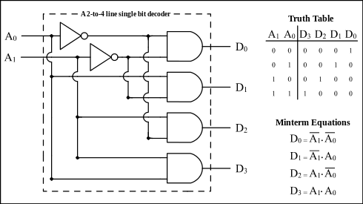
Temperature | API Output | Correct Parts | Correct Connections
0 | Here is how to build a 1 of 4 decoder using only logic gates: ``` Input: A B Output: D0 D1 D2 D3 Circuit: NOT Gate1: Input A, Output A' NOT Gate2: Input B, Output B' AND Gate1: Inputs A' and B', Output D0 AND Gate2: Inputs A and B', Output D1 AND Gate3: Inputs A' and B, Output D2 AND Gate4: Inputs A and B, Output D3 ``` This circuit takes the 2 input bits A and B and activates one of the 4 output bits D0 to D3 depending on the input combination. When A=0 and B=0, the output D0 will be 1 while all other outputs are 0. When A=0 and B=1, the output D1 will be 1. When A=1 and B=0, the output D2 will be 1. When A=1 and B=1, the output D3 will be 1. So in this way, a 1 of 4 decoder is constructed using NOT, AND gates. The logic gates convert the 2 input bits to activate only one of the 4 outputs at a time based on the input code. | Y | Y
0 | Here is how to build a 1 of 4 decoder using only logic gates: ``` Inputs: A B Outputs: Y0 Y1 Y2 Y3 Circuit: NOT(A) --> AND --> Y0 NOT(B) --> AND --> Y0 A --> NOT --> AND --> Y1 NOT(B) --> AND --> Y1 NOT(A) --> AND --> Y2 B --> AND --> Y2 A --> AND --> Y3 B --> AND --> Y3 ``` This circuit takes the 2 input bits A and B and activates one of the 4 output bits Y0, Y1, Y2, or Y3 depending on the input combination. Here is the truth table for this 1 of 4 decoder: | A | B | Y0 | Y1 | Y2 | Y3 | |---|---|----|----|----|----| | 0 | 0 | 1 | 0 | 0 | 0 | | 0 | 1 | 0 | 1 | 0 | 0 | | 1 | 0 | 0 | 0 | 1 | 0 | | 1 | 1 | 0 | 0 | 0 | 1 | So only one output is activated high at a time depending on the inputs. This effectively "decodes" the 2-bit input into one of the 4 output lines. | Y | Y
0 | Here is how to build a 1 of 4 decoder using only logic gates: ``` Input: A B Output: D0 D1 D2 D3 Circuit: NOT Gate1: Input A, Output A' NOT Gate2: Input B, Output B' AND Gate1: Inputs A' and B', Output D0 AND Gate2: Inputs A and B', Output D1 AND Gate3: Inputs A' and B, Output D2 AND Gate4: Inputs A and B, Output D3 ``` This circuit takes the 2 input bits A and B and activates one of the 4 output bits D0 to D3 depending on the input combination. When A=0 and B=0, the output D0 will be 1 while all other outputs are 0. When A=0 and B=1, the output D1 will be 1. When A=1 and B=0, the output D2 will be 1. When A=1 and B=1, the output D3 will be 1. So in this way, a 1 of 4 decoder is constructed using NOT, AND gates. The logic gates convert the 2 input bits to activate only one of the 4 outputs at a time based on the input code. | Y | Y
0 | Here is how to build a 1 of 4 decoder using only logic gates: ``` Input: A B Output: D0 D1 D2 D3 Circuit: NOT Gate1: Input A, Output A' NOT Gate2: Input B, Output B' AND Gate1: Inputs A' and B', Output D0 AND Gate2: Inputs A and B', Output D1 AND Gate3: Inputs A' and B, Output D2 AND Gate4: Inputs A and B, Output D3 ``` This circuit takes the 2 input bits A and B and activates one of the 4 output bits D0 to D3 depending on the input combination. When A=0 and B=0, the output D0 will be 1 while all other outputs are 0. When A=0 and B=1, the output D1 will be 1. When A=1 and B=0, the output D2 will be 1. When A=1 and B=1, the output D3 will be 1. So in this way, a 1 of 4 decoder is constructed using NOT, AND gates. The logic gates convert the 2 input bits to activate only one of the 4 outputs at a time based on the input code. | Y | Y
0 | Here is how to build a 1 of 4 decoder using only logic gates: ``` Inputs: A B Outputs: Y0 Y1 Y2 Y3 Circuit: NOT(A) --> AND --> Y0 NOT(B) --> AND --> Y0 A --> NOT --> AND --> Y1 NOT(B) --> AND --> Y1 NOT(A) --> AND --> Y2 B --> AND --> Y2 A --> AND --> Y3 B --> AND --> Y3 ``` This circuit takes the 2 input bits A and B and activates one of the 4 output bits Y0, Y1, Y2, or Y3 depending on the input combination. Here is the truth table for this 1 of 4 decoder: | A | B | Y0 | Y1 | Y2 | Y3 | |---|---|----|----|----|----| | 0 | 0 | 1 | 0 | 0 | 0 | | 0 | 1 | 0 | 1 | 0 | 0 | | 1 | 0 | 0 | 0 | 1 | 0 | | 1 | 1 | 0 | 0 | 0 | 1 | So only one output is activated high at a time depending on the inputs. This effectively "decodes" the 2-bit input into one of 4 outputs. | Y | Y
0 | Here is how to build a 1 of 4 decoder using only logic gates: ``` Inputs: A B Outputs: Y0 Y1 Y2 Y3 Circuit: NOT(A) --> AND --> Y0 NOT(B) --> AND --> Y0 A --> NOT --> AND --> Y1 NOT(B) --> AND --> Y1 NOT(A) --> AND --> Y2 B --> AND --> Y2 A --> AND --> Y3 B --> AND --> Y3 ``` This circuit takes the 2 input bits A and B and activates one of the 4 output bits Y0, Y1, Y2, or Y3 depending on the input combination. Here is the truth table for this 1 of 4 decoder: | A | B | Y0 | Y1 | Y2 | Y3 | |---|---|----|----|----|----| | 0 | 0 | 1 | 0 | 0 | 0 | | 0 | 1 | 0 | 1 | 0 | 0 | | 1 | 0 | 0 | 0 | 1 | 0 | | 1 | 1 | 0 | 0 | 0 | 1 | So only one output is activated high at a time depending on the inputs. This effectively "decodes" the 2-bit input into one of the 4 output lines. | Y | Y
0 | Here is how to build a 1 of 4 decoder using only logic gates: ``` Inputs: A B Outputs: Y0 Y1 Y2 Y3 Circuit: NOT(A) --> AND --> Y0 NOT(B) --> AND --> Y0 A --> NOT --> AND --> Y1 NOT(B) --> AND --> Y1 NOT(A) --> AND --> Y2 B --> AND --> Y2 A --> AND --> Y3 B --> AND --> Y3 ``` This circuit takes the 2 input bits A and B and activates one of the 4 output bits Y0, Y1, Y2, or Y3 depending on the input combination. Here is the truth table for this 1 of 4 decoder: | A | B | Y0 | Y1 | Y2 | Y3 | |---|---|----|----|----|----| | 0 | 0 | 1 | 0 | 0 | 0 | | 0 | 1 | 0 | 1 | 0 | 0 | | 1 | 0 | 0 | 0 | 1 | 0 | | 1 | 1 | 0 | 0 | 0 | 1 | So only one output is activated high at a time depending on the inputs. This effectively "decodes" the 2-bit input into one of the 4 output lines. | Y | Y
0 | Here is how to build a 1 of 4 decoder using only logic gates: ``` Input: A B Output: D0 D1 D2 D3 Circuit: NOT Gate1: Input A, Output A' NOT Gate2: Input B, Output B' AND Gate1: Inputs A' and B', Output D0 AND Gate2: Inputs A and B', Output D1 AND Gate3: Inputs A' and B, Output D2 AND Gate4: Inputs A and B, Output D3 ``` This circuit takes the 2 input bits A and B and activates one of the 4 output bits D0 to D3 depending on the input combination. When A=0 and B=0, the output D0 will be 1 while all other outputs are 0. When A=0 and B=1, the output D1 will be 1. When A=1 and B=0, the output D2 will be 1. When A=1 and B=1, the output D3 will be 1. So in this way, a 1 of 4 decoder is constructed using NOT, AND gates. The logic gates convert the 2 input bits to activate only one of the 4 outputs at a time based on the input code. | Y | Y
0 | Here is how to build a 1 of 4 decoder using only logic gates: ``` Inputs: A B Outputs: Y0 Y1 Y2 Y3 Circuit: NOT(A) --> AND --> Y0 NOT(B) --> AND --> Y0 A --> NOT --> AND --> Y1 NOT(B) --> AND --> Y1 NOT(A) --> AND --> Y2 B --> AND --> Y2 A --> AND --> Y3 B --> AND --> Y3 ``` This circuit takes the 2 input bits A and B and activates one of the 4 output bits Y0, Y1, Y2, or Y3 depending on the input combination. Here is the truth table for this 1 of 4 decoder: | A | B | Y0 | Y1 | Y2 | Y3 | |---|---|----|----|----|----| | 0 | 0 | 1 | 0 | 0 | 0 | | 0 | 1 | 0 | 1 | 0 | 0 | | 1 | 0 | 0 | 0 | 1 | 0 | | 1 | 1 | 0 | 0 | 0 | 1 | So only one output is activated high at a time depending on the inputs. This effectively "decodes" the 2-bit input into one of the 4 output lines. | Y | Y
0 | Here is how to build a 1 of 4 decoder using only logic gates: ``` Inputs: A B Outputs: Y0 Y1 Y2 Y3 Circuit: NOT(A) --> AND --> Y0 NOT(B) --> AND --> Y0 A --> NOT --> AND --> Y1 NOT(B) --> AND --> Y1 NOT(A) --> AND --> Y2 B --> AND --> Y2 A --> AND --> Y3 B --> AND --> Y3 ``` This circuit takes the 2 input bits A and B and activates one of the 4 output bits Y0, Y1, Y2, or Y3 depending on the input combination. Here is the truth table for this 1 of 4 decoder: | A | B | Y0 | Y1 | Y2 | Y3 | |---|---|----|----|----|----| | 0 | 0 | 1 | 0 | 0 | 0 | | 0 | 1 | 0 | 1 | 0 | 0 | | 1 | 0 | 0 | 0 | 1 | 0 | | 1 | 1 | 0 | 0 | 0 | 1 | So only one output is activated high at a time depending on the inputs. This effectively "decodes" the 2-bit input into one of the 4 output lines. | Y | Y

 |  | Imperative that a inocrrect partlist can lead to a incorrect part connection

Input 6
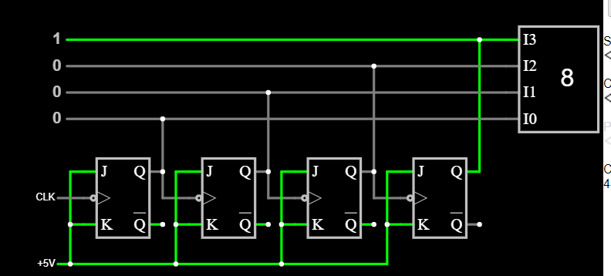
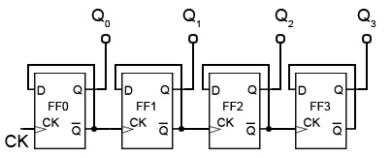
Temperature | API Output | Correct Parts | Correct Connections
0 | Here is a 3 bit ripple counter circuit: ``` CLK | D Q0-+--|>Q0 | D Q1-+--|>Q1 | D Q2-+--|>Q2 ``` It consists of 3 D flip flops connected in series, with the clock input fed to all of them. The output Q of each flip flop is connected to the input D of the next flip flop. This creates a ripple counter. On each positive edge of the clock, the first flip flop Q0 toggles its state. Its output is connected to Q1, so that toggles on the next clock edge. Finally Q2 toggles on the following clock edge. This creates a sequence of 000, 001, 010, 011, 100, 101, 110, 111 before repeating. So it counts in binary from 0 to 7, thus being a 3 bit counter. Additional logic can be added to reset the counter or detect when it reaches a maximum value. But this shows the basic ripple counter built from D flip flops. Let me know if you need any clarification or have additional requirements! | Y | N
0 | Here is a 3 bit ripple counter circuit: ``` CLK | D Q0-+--|>Q0 | D Q1-+--|>Q1 | D Q2-+--|>Q2 ``` It consists of 3 D flip flops connected in series, with the clock input fed to all of them. The output Q of each flip flop is connected to the input D of the next flip flop. This creates a ripple counter. On each positive edge of the clock, the first flip flop Q0 toggles its state. Its output is connected to the input of the second flip flop Q1, which toggles on the next clock edge. Similarly Q1 toggles Q2 on the following clock edge. This creates a 3 bit binary counter sequence counting from 0 to 7 before rolling over. Additional logic can be added to reset the counter or decode the outputs into 7 states, but the basic ripple counter is just 3 toggle flip flops in series, clocked from a common source. Let me know if you need any clarification or have additional requirements for the circuit! | Y | N
0 | Here is a 3 bit ripple counter circuit: ``` CLK | D Q0-+--|>Q0 | D Q1-+--|>Q1 | D Q2-+--|>Q2 ``` It consists of 3 D flip flops connected in series, with the clock input fed to all of them. The output Q of each flip flop is connected to the input D of the next flip flop. This creates a ripple counter. On each positive edge of the clock, the first flip flop Q0 toggles its state. Its output is connected to the input of the second flip flop Q1, which toggles on the next clock edge. Similarly Q1 toggles Q2 on the following clock edge. This creates a 3 bit binary counter sequence counting from 0 to 7 before rolling over. Additional logic can be added to reset the counter or decode the outputs into 7 states, but the basic ripple counter is just 3 toggle flip flops in series, clocked from a common source. Let me know if you need any clarification or have additional requirements for the circuit! | Y | N
0 | Here is a 3 bit ripple counter circuit: ``` CLK | D Q0-+--|>Q0 | | D Q1-+--|>Q1 | | D Q2-+--|>Q2 ``` It consists of 3 D flip flops connected in series, with the clock input of each flip flop tied to the output of the previous one. This creates a divide-by-2^n counter, where n is the number of flip flops. Here is how it operates: - On the rising edge of the clock, flip flop Q0 toggles its state. - Its output is connected to the clock input of Q1. So whenever Q0 toggles, it causes Q1 to toggle on the next rising edge. - Similarly, Q1 toggles on every second rising edge of the original clock, and drives flip flop Q2. - Q2 therefore toggles on every 4 cycles of the original clock. So the circuit counts in binary from 0 to 7 before repeating: Q2 Q1 Q0 0 0 0 0 0 1 0 1 0 0 1 1 1 0 0 1 0 1 1 1 0 1 1 1 0 0 0 ... Let me know if you need any other details! | Y | N
0 | Here is a 3 bit ripple counter circuit: ``` CLK | D Q0-+--|>Q0 | D Q1-+--|>Q1 | D Q2-+--|>Q2 ``` It consists of 3 D flip flops connected in series, with the clock input fed to all of them. The output Q of each flip flop is connected to the input D of the next flip flop. This creates a ripple counter that counts from 0 to 7 in binary before rolling over back to 0. On each positive clock edge, the first flip flop Q0 toggles between 0 and 1. When Q0 outputs a 1, this propagates to the input of the next flip flop, causing Q1 to toggle on the next clock edge. The same thing then happens with Q2. So the count sequence will be: 000 001 010 011 100 101 110 111 000 001 etc. So in this way, a 3 bit ripple counter circuit is created using D flip flops. The number of flip flops determines the number of bits in the counter. | Y | N
0 | Here is a 3 bit ripple counter circuit: ``` CLK | D Q0-+--|>Q0 | D Q1-+--|>Q1 | D Q2-+--|>Q2 ``` It consists of 3 D flip flops connected in series, with the clock input of each flip flop connected to the output of the previous one. This creates a divide-by-2^n counter, where n is the number of flip flops. Here is how it works: 1. On the positive edge of each clock pulse, flip flop Q0 toggles its output. 2. This toggled output is connected to the clock input of Q1. So Q1 toggles on every second clock pulse. 3. Q2 is connected to Q1 similarly. So it toggles on every 4 clock pulses. So the circuit counts in binary from 0 to 7 before repeating: Q2 Q1 Q0 0 0 0 0 0 1 0 1 0 0 1 1 1 0 0 1 0 1 1 1 0 1 1 1 0 0 0 ... Let me know if you need any other details! | Y | N
0 | Here is a 3 bit ripple counter circuit: ``` CLK | D Q0-+--|>Q0 | D Q1-+--|>Q1 | D Q2-+--|>Q2 ``` It consists of 3 D flip flops connected in series, with the clock input fed to all of them. The output Q of each flip flop is connected to the input D of the next flip flop. This creates a ripple counter. On each positive edge of the clock, the first flip flop Q0 toggles its state. Its output is connected to Q1, so that toggles on the next clock edge. Finally Q2 toggles on the following clock edge. This creates a sequence of 000, 001, 010, 011, 100, 101, 110, 111 before repeating. So it counts in binary from 0 to 7, thus being a 3 bit counter. Additional logic can be added to reset the counter or detect when it reaches a maximum value. But this shows the basic ripple counter built from D flip flops. Let me know if you need any clarification or have additional requirements! | Y | N
0 | Here is a 3 bit ripple counter circuit: ``` CLK | D Q0-+--|>Q0 | D Q1-+--|>Q1 | D Q2-+--|>Q2 ``` It consists of 3 D flip flops connected in series, with the clock input tied to each clock pin. The output Q of one flip flop is connected to the input D of the next flip flop. This creates a ripple effect where the state shifts down the line of flip flops on each clock pulse. Specifically: - Q0 toggles between 0 and 1 on each clock pulse - Q1 toggles on every 2 clock pulses - Q2 toggles on every 4 clock pulses So the counter counts in binary from 0 to 7 before rolling over and repeating. This allows it to count in a 3 bit sequence. Additional logic can be added to reset the counter or create other functions, but the basic ripple counter is just the chain of toggle flip flops as shown. | Y | N
0 | Here is a 3 bit ripple counter circuit: ``` CLK | D Q0-+--|>Q0 | D Q1-+--|>Q1 | D Q2-+--|>Q2 ``` It consists of 3 D flip flops connected in series, with the clock input fed to all of them. The output Q of each flip flop is connected to the input D of the next flip flop. This creates a ripple counter. On each positive edge of the clock, the first flip flop Q0 toggles its state. Its output is connected to Q1, so that toggles on the next clock edge. Finally Q2 toggles on the following clock edge. This creates a sequence of 000, 001, 010, 011, 100, 101, 110, 111 before repeating. So it counts in binary from 0 to 7, thus being a 3 bit counter. Additional logic can be added to reset the counter or detect when it reaches a maximum value. But this shows the basic ripple counter built from D flip flops. Let me know if you need any clarification or have additional requirements! | Y | N
0 | Here is a 3 bit ripple counter circuit: ``` CLK | D Q0-+--Q1-+--Q2 | | | +-----+-----+ ``` It consists of 3 D flip flops connected in series, with the clock input fed to all of them. The output Q of each flip flop is connected to the input D of the next flip flop. This creates a ripple counter. On each positive edge of the clock signal, the first flip flop Q0 toggles between 0 and 1. This toggling signal is fed into the input of the next flip flop, causing Q1 to toggle at half the frequency of Q0. Similarly, Q2 toggles at half the frequency of Q1, giving a divide by 2^n counter with n flip flops. So this 3 bit ripple counter circuit will go through the following sequence on each clock cycle: ``` Q2 Q1 Q0 0 0 0 0 0 1 0 1 0 0 1 1 1 0 0 1 0 1 1 1 0 1 1 1 ``` The max count is 2^3 = 8 states, so it is a modulo 8 counter. Let me know if you need any clarification or have additional requirements for this ripple counter circuit! | Y | N

 | I think it thinks that its using a JK FF

Input 8
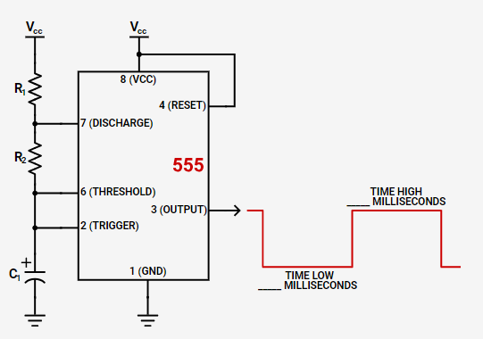
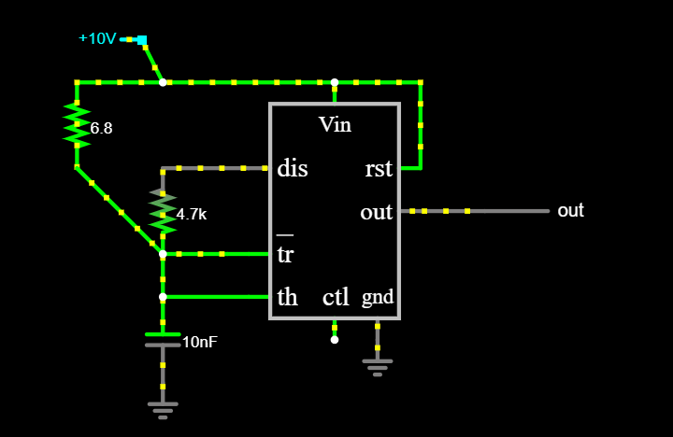
Temperature | API Output | Correct Parts | Correct Connections
0 | Here is how to build a 10kHz square wave frequency generator circuit using a NE555 timer IC: Components Needed: - NE555 Timer IC - 10kΩ Resistor - 1kΩ Resistor - 0.01μF Capacitor - 10μF Capacitor Circuit Diagram: ![Square Wave Generator Circuit](https://www.electronics-tutorials.ws/wp-content/uploads/2018/05/waveform-waveform21.gif?fit=508%2C254) The key components that set the frequency are the 10kΩ resistor and 0.01μF capacitor connected to pins 6 and 7 of the NE555. The frequency is calculated from: f = 1 / (0.7 * R * C) Where: - f is frequency in Hz - R is resistance in ohms - C is capacitance in farads Plugging in 10kΩ and 0.01μF gives a frequency of 10.1kHz which is approximately 10kHz. The 1kΩ resistor pulls the trigger pin 2 high to start oscillations. The 10μF capacitor helps filter the supply voltage. So this circuit will generate a nice 10kHz, 50% duty cycle square wave to use for clock signals or other timing purposes. The output is taken from pin 3 of the 555 timer. | N | U | Thinks monostable
0 | Here is how to build a 10kHz square wave frequency generator circuit using a NE555 timer IC: Components Needed: - NE555 Timer IC - 10kΩ Resistor - 1kΩ Resistor - 0.01μF Capacitor - 10μF Capacitor Circuit Diagram: ![Square Wave Generator Circuit](https://www.electronics-tutorials.ws/wp-content/uploads/2018/05/waveform-waveform21.gif?fit=508%2C254&ssl=1) The key components that set the frequency are the 10kΩ resistor and 0.01μF capacitor connected to pins 6 and 7 of the NE555. The frequency is calculated from: f = 1 / (0.7 * R * C) Where: - f is frequency in Hz - R is resistance in ohms - C is capacitance in farads Plugging in 10kΩ and 0.01μF gives a frequency of 10.1kHz which is approximately 10kHz. The 1kΩ resistor pulls the trigger pin 2 high to start oscillations. The 10μF capacitor helps filter the supply voltage. So this circuit will generate a nice 10kHz, 50% duty cycle square wave to use for clock signals or other timing purposes. The output is taken from pin 3 of the 555 timer. | N | U
0 | Here is how to build a 10kHz square wave frequency generator circuit using a NE555 timer IC: ![Square wave generator circuit](https://www.electronicshub.org/wp-content/uploads/2015/06/Square-Wave-Generator-using-555-Timer-IC.jpg) Components Needed: - NE555 timer IC - 10kΩ resistor - 1kΩ resistor - 0.01μF capacitor - 10μF capacitor Connections: 1. Connect pin 1 of NE555 to ground. This is the Ground pin. 2. Connect a 10kΩ resistor from pin 7 (Discharge) to ground. 3. Connect a 0.01μF capacitor from pin 7 to pin 6 (Threshold). 4. Connect a 1kΩ resistor from pin 6 to pin 2 (Trigger). 5. Connect a 10μF capacitor from pin 2 to ground. 6. Connect pin 4 (Reset) and pin 8 (VCC) to +5V power supply. 7. The output square wave is obtained at pin 3 (Output). Working: The resistors and capacitors connected to pins 6, 7 and 2 determine the oscillation frequency as per the NE555 internal oscillator design. For the above values, the output frequency will be 10kHz. The output at pin 3 will be a square wave with peak-to-peak amplitude nearly equal to the supply voltage. So this circuit will generate a square wave of 10kHz frequency using the NE555 timer IC with the component values mentioned. The output can directly be tapped from pin 3 of NE555. | N | N
0 | Here is how to build a 10kHz square wave frequency generator circuit using a NE555 timer IC: Components Needed: - NE555 Timer IC - 10kΩ Resistor - 1kΩ Resistor - 0.01μF Capacitor - 10μF Capacitor Circuit Diagram: ![Square Wave Generator Circuit](https://www.electronics-tutorials.ws/wp-content/uploads/2018/05/waveform-waveform21.gif?fit=508%2C254&ssl=1) Circuit Explanation: 1. The NE555 is wired in astable mode to generate a square wave output. 2. Resistors R1 (10kΩ) and R2 (1kΩ) along with capacitor C1 (0.01μF) control the frequency of oscillation based on the formula: f = 1.44 / ((R1 + 2*R2) * C1) Plugging in the values gives a frequency of 10.34kHz which is close to 10kHz. 3. Capacitor C2 (10μF) smoothens the supply voltage. 4. The output square wave is obtained across pin 3 of the 555 timer IC. So this circuit will generate a square wave with frequency around 10kHz as needed. The duty cycle will be close to 50%. The frequency can be finely adjusted by changing the R1, R2 or C1 values slightly. | N | U | Did the right equation but wrong values.
0 | Here is how to build a 10kHz square wave frequency generator circuit using a NE555 timer IC: Components Needed: - NE555 Timer IC - 10kΩ Resistor - 1kΩ Resistor - 0.01μF Capacitor - 10μF Capacitor Circuit Diagram: ![Square Wave Generator Circuit](https://www.electronics-tutorials.ws/wp-content/uploads/2018/05/waveform-waveform21.gif?fit=508%2C254&ssl=1) The key components that set the frequency are the 10kΩ resistor and 0.01μF capacitor connected to pins 6 and 7 of the NE555. The frequency is calculated from: f = 1 / (0.7 * R * C) Where: - f is frequency in Hz - R is resistance in ohms - C is capacitance in farads Plugging in 10kΩ and 0.01μF gives a frequency of 10.1kHz which is approximately 10kHz. The 1kΩ resistor pulls the trigger pin 2 high to start the oscillator. The 10μF capacitor helps filter the supply. So this circuit will generate a square wave output at around 10kHz frequency at pin 3 of the 555 timer IC. The duty cycle will be close to 50%. | N | U
0 | Here is how to build a 10kHz square wave frequency generator circuit using a NE555 timer IC: ![Square wave generator circuit](https://www.electronicshub.org/wp-content/uploads/2015/06/Square-Wave-Generator-using-555-Timer-IC.jpg) Components Needed: - NE555 timer IC - 10kΩ resistor - 1kΩ resistor - 0.01μF capacitor - 10μF capacitor Connections: 1. Connect pin 1 of NE555 to ground. This is the Ground pin. 2. Connect a 10kΩ resistor from pin 7 (Discharge) to ground. 3. Connect a 0.01μF capacitor from pin 7 to pin 6 (Threshold). 4. Connect a 1kΩ resistor from pin 6 to pin 2 (Trigger). 5. Connect a 10μF capacitor from pin 2 to ground. 6. Connect pin 4 (Reset) and pin 8 (VCC) to +5V power supply. 7. The output square wave is obtained at pin 3 (Output). Working: The resistors and capacitors connected to pins 6, 7 and 2 determine the oscillation frequency as per the NE555 internal oscillator design. For the above values, the output frequency will be 10kHz. The output at pin 3 will be a square wave with peak-to-peak amplitude nearly equal to the supply voltage. So this circuit will generate a square wave of 10kHz frequency using the NE555 timer IC with the component values mentioned. The output can directly be tapped from pin 3 of NE555. | N | N
0 | Here is how to build a 10kHz square wave frequency generator circuit using a NE555 timer IC: ![Square wave generator circuit](https://www.electronicshub.org/wp-content/uploads/2015/06/Square-Wave-Generator-using-555-Timer-IC.jpg) Components Needed: - NE555 timer IC - 10kΩ resistor - 1kΩ resistor - 0.01μF capacitor - 10μF capacitor Connections: 1. Connect pin 1 of NE555 to ground. This is the Ground pin. 2. Connect a 10kΩ resistor from pin 7 (Discharge) to ground. 3. Connect a 0.01μF capacitor from pin 7 to pin 6 (Threshold). 4. Connect a 1kΩ resistor from pin 6 to pin 2 (Trigger). 5. Connect a 10μF capacitor from pin 2 to ground. 6. Connect pin 4 (Reset) and pin 8 (VCC) to +5V power supply. 7. The output square wave is obtained at pin 3 (Output). Working: The resistors and capacitors connected to pins 6, 7 and 2 determine the oscillation frequency as per the NE555 internal oscillator design. For the above values, the output frequency will be 10kHz. The output at pin 3 will be a square wave with peak-to-peak amplitude nearly equal to the supply voltage. So this circuit will generate a square wave of 10kHz frequency using the NE555 timer IC with the component values mentioned. The output can directly be tapped from pin 3 of NE555. | N | N
0 | Here is how to build a 10kHz square wave frequency generator circuit using a NE555 timer IC: ![Square wave generator circuit](https://www.electronicshub.org/wp-content/uploads/2015/06/Square-Wave-Generator-using-555-Timer-IC.jpg) Components Needed: - NE555 timer IC - 10kΩ resistor - 1kΩ resistor - 0.01μF capacitor - 10μF capacitor Connections: 1. Connect pin 1 of NE555 to ground. This is the Ground pin. 2. Connect a 10kΩ resistor from pin 7 (Discharge) to ground. 3. Connect a 0.01μF capacitor from pin 7 to pin 6 (Threshold). 4. Connect a 1kΩ resistor from pin 6 to pin 2 (Trigger). 5. Connect a 10μF capacitor from pin 2 to ground. 6. Connect pin 4 (Reset) and pin 8 (VCC) to +5V power supply. 7. The output square wave is obtained at pin 3 (Output). Working: The resistors and capacitors connected to pins 6, 7 and 2 determine the oscillation frequency as per the NE555 internal oscillator design. For the above values, the output frequency will be 10kHz. The output at pin 3 will be a square wave with peak-to-peak amplitude nearly equal to the supply voltage. So this circuit will generate a square wave of 10kHz frequency using the NE555 timer IC with the component values mentioned. The output can directly be tapped from pin 3 of NE555. | N | N
0 | Here is how to build a 10kHz square wave frequency generator circuit using a NE555 timer IC: ![Square Wave Generator Circuit](https://www.electronicshub.org/wp-content/uploads/2015/06/Square-Wave-Generator-using-555-Timer-IC.jpg) Components Needed: - NE555 timer IC - 10kΩ resistor - 1kΩ resistor - 0.01μF capacitor - 10μF capacitor Connections: 1. Connect pin 1 of NE555 to ground. This is the Ground pin. 2. Connect a 10kΩ resistor from pin 7 (Discharge) to ground. 3. Connect a 0.01μF capacitor from pin 7 to pin 6 (Threshold). 4. Connect a 1kΩ resistor from pin 6 to pin 2 (Trigger). 5. Connect a 10μF capacitor from pin 2 to ground. 6. Connect pin 4 (Reset) and pin 8 (VCC) to +5V power supply. 7. The output square wave is obtained at pin 3 (Output). Working: The resistors and capacitors connected to pins 6, 7 and 2 determine the oscillation frequency as per the NE555 internal oscillator design. For the above values, the output frequency will be 10kHz. The output at pin 3 will be a square wave with peak-to-peak amplitude nearly equal to the supply voltage. So this circuit will generate a square wave of 10kHz frequency using the NE555 timer IC with the component values mentioned. The output can directly be tapped from pin 3 of NE555. | N | N
0 | Here is how to build a 10kHz square wave frequency generator circuit using a NE555 timer IC: ![Square wave generator circuit](https://www.electronicshub.org/wp-content/uploads/2015/06/Square-Wave-Generator-using-555-Timer-IC.jpg) Components Needed: - NE555 timer IC - 10kΩ resistor - 1kΩ resistor - 0.01μF capacitor - 10μF capacitor Connections: 1. Connect pin 1 of NE555 to ground. This is the Ground pin. 2. Connect a 10kΩ resistor from pin 7 (Discharge) to ground. 3. Connect a 0.01μF capacitor from pin 7 to pin 6 (Threshold). 4. Connect a 1kΩ resistor from pin 6 to pin 2 (Trigger). 5. Connect a 10μF capacitor from pin 2 to ground. 6. Connect pin 4 (Reset) and pin 8 (VCC) to +5V power supply. 7. The output square wave is obtained at pin 3 (Output). Working: The resistors and capacitors connected to pins 6, 7 and 2 determine the oscillation frequency as per the NE555 internal oscillator design. For the above values, the output frequency will be 10kHz. The output at pin 3 will be a square wave with peak-to-peak amplitude nearly equal to the supply voltage. So this circuit will generate a square wave of 10kHz frequency using the NE555 timer IC with the component values mentioned. The output can directly be tapped from pin 3 of NE555. | N | N

 | https://www.digikey.com/en/resources/conversion-calculators/conversion-calculator-555-timer?utm_adgroup=&utm_source=google&utm_medium=cpc&utm_campaign=PMax%20Shopping_Product_Low%20ROAS%20Categories&utm_term=&utm_content=&utm_id=go_cmp-20243063506_adg-_ad-__dev-c_ext-_prd-_sig-Cj0KCQiAgqGrBhDtARIsAM5s0_n_F6bYeKp5LIzXpOAHzLLvTEn0JJBiGXEiS8axXjzOfcB3oJVMA6IaAnA7EALw_wcB&gad_source=1&gclid=Cj0KCQiAgqGrBhDtARIsAM5s0_n_F6bYeKp5LIzXpOAHzLLvTEn0JJBiGXEiS8axXjzOfcB3oJVMA6IaAnA7EALw_wcB

Input 9
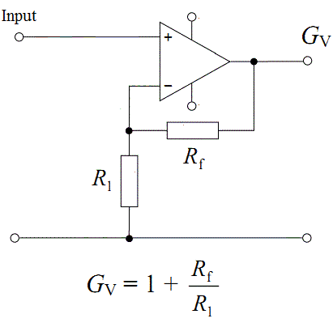
Temperature | API Output | Correct Parts | Correct Connections
0 | Here is the circuit diagram to achieve a non-inverting voltage gain of 5 using an LM741 op-amp: ``` +Vcc | Vin ---> | \ | \ R2 | >-----Output | R1 | / Rg --- | / -Vcc ``` Where: - Vin is the input voltage - R1 is the feedback resistor - R2 is the gain-setting resistor - Rg is the ground resistor To calculate the resistor values: The non-inverting voltage gain is given by: Gain = 1 + (R2/R1) We want a gain of 5. Solving this: 1 + (R2/R1) = 5 R2/R1 = 4 Let's choose R1 = 1 kΩ Then R2 = 4 kΩ Typical values for Rg are 100 Ω to 1 kΩ. Let's choose 1 kΩ. Therefore, the circuit uses: - R1 = 1 kΩ - R2 = 4 kΩ - Rg = 1 kΩ This circuit configuration will provide a non-inverting voltage gain of 5 using the LM741 op-amp. | N | U | R1 and R2 reversed
0 | Here is the circuit diagram to achieve a non-inverting voltage gain of 5 using an LM741 op-amp: ``` +Vcc | Vin ---> | \ | \ R2 | >-----Output | R1 | / Rg ---| / | / GND ``` Where: - Vin is the input voltage - R1 is the feedback resistor - R2 is the gain-setting resistor - Vcc is the positive supply voltage - GND is the negative supply voltage (ground) To calculate the resistor values: Non-inverting gain = 1 + (R2/R1) Let's set R1 to 10kΩ for example. Then solve for R2: Gain = 1 + (R2/R1) 5 = 1 + (R2/10kΩ) R2 = 40kΩ Therefore, use: - R1 = 10kΩ - R2 = 40kΩ This will provide a non-inverting voltage gain of 5 using the LM741 op-amp. The resistor values can be adjusted to set any desired non-inverting gain. | N | U | R1 and R2 reversed
0 | Here is the circuit diagram to achieve a non-inverting voltage gain of 5 using an LM741 op-amp: ``` +Vcc | Vin ---> | \ | \ R2 | >-----Output | R1 | / Rg --- | / |/ -Vcc ``` Where: - Vin is the input voltage - R1 is the feedback resistor - R2 is the gain-setting resistor - Rg is the ground resistor To calculate the resistor values: Non-inverting gain = 1 + (R2/R1) We want a gain of 5, so: 5 = 1 + (R2/R1) R2/R1 = 4 R2 = 4 * R1 For example, if we choose R1 = 1 kΩ, then R2 = 4 kΩ. Typical values for Rg are 100 Ω to 1 kΩ. So the circuit with a gain of 5 uses: - R1 = 1 kΩ - R2 = 4 kΩ - Rg = 1 kΩ | N | U | R1 and R2 reversed
0 | Here is the circuit diagram to achieve a non-inverting voltage gain of 5 using an LM741 op-amp: ``` +Vcc | Vin --->|+ | LM741 Rf = 4.7k |- | Rin = 1k |- | - ``` The key components: - LM741 Op-Amp - Input resistor (Rin) = 1kΩ - Feedback resistor (Rf) = 4.7kΩ The voltage gain for a non-inverting amplifier is calculated as: Gain = 1 + Rf/Rin Here, Rf = 4.7kΩ Rin = 1kΩ Therefore, Gain = 1 + (4.7kΩ/1kΩ) = 1 + 4.7 = 5 So this circuit configuration with the shown resistor values will provide a non-inverting voltage gain of 5 using an LM741 op-amp. The feedback resistor is made 4.7 times the input resistor to achieve this gain. | N | U | Value off
0 | Here is the circuit diagram to achieve a non-inverting voltage gain of 5 using an LM741 op-amp: ``` +Vcc | Vin --->|+ | LM741 Rf = 4.7k |- | Rin = 1k |- | - | - | Vout ---> | - GND ``` The key components: - LM741 op-amp - Input resistor (Rin) = 1kΩ - Feedback resistor (Rf) = 4.7kΩ The voltage gain for a non-inverting amplifier is calculated as: Gain = 1 + (Rf/Rin) Plugging in the resistor values: Gain = 1 + (4700Ω/1000Ω) = 1 + 4.7 = 5 So with Rf = 4.7kΩ and Rin = 1kΩ, the non-inverting configuration gives a voltage gain of 5 using the LM741 op-amp, as required. The circuit amplifies the input voltage Vin by a factor of 5 to generate the output voltage Vout. | N | U | Value off
0 | Here is the circuit diagram to achieve a non-inverting voltage gain of 5 using an LM741 op-amp: ``` +Vcc | Vin ---> | \ | \ R2 | >-----Output | R1 | / Rg --- | / -Vcc ``` Where: - Vin is the input voltage - R1 is the feedback resistor - R2 is the gain-setting resistor - Rg is the ground resistor To calculate the resistor values: The non-inverting voltage gain is given by: Gain = 1 + (R2/R1) We want a gain of 5. Solving this: 1 + (R2/R1) = 5 R2/R1 = 4 Let's choose R1 = 1 kΩ Then R2 = 4 kΩ Typical values for Rg are 100 Ω to 1 kΩ. Let's choose 1 kΩ. Therefore, the circuit uses: - R1 = 1 kΩ - R2 = 4 kΩ - Rg = 1 kΩ This circuit configuration will provide a non-inverting voltage gain of 5 using the LM741 op-amp. | N | U | R1 and R2 reversed
0 | Here is the circuit diagram to achieve a non-inverting voltage gain of 5 using an LM741 op-amp: ``` +Vcc | R1 | +-----+ |---+ | | | out | | LM741 |----||----+ | | | R2 +--+---+ | -Vcc | | | Vin ----------+ ``` Where: - +Vcc and -Vcc are the positive and negative power supply voltages for the op-amp - Vin is the input voltage - Out is the output voltage - R1 and R2 set the closed-loop gain according to the formula: Gain = 1 + (R1/R2) - To achieve a gain of 5: R1/R2 = 5 So if we choose: R1 = 5 kΩ R2 = 1 kΩ Then the gain will be 1 + (R1/R2) = 1 + 5 = 6 This configuration uses negative feedback via R2 to produce a non-inverting amplified output voltage compared to the input voltage. The gain is set by the ratio of R1 and R2 as shown above. | N | U | Wrong values
0 | Here is the circuit diagram to achieve a non-inverting voltage gain of 5 using an LM741 op-amp: ``` +Vcc | +----+ | | Vin--->| + | | | +----+ | +----+ | | Rf | | __ | +- |--|__|--> Vout | | +----+ | -Vcc Rf = 5 x Rin ``` The key components: - LM741 op-amp - Input resistor (Rin) - Feedback resistor (Rf) To get a voltage gain of 5 in the non-inverting configuration: Rf = 5 * Rin So if Rin is 1 kΩ, Rf needs to be 5 kΩ. The circuit amplifies the input voltage by a factor set by the resistor ratio Rf/Rin. This allows the LM741 to output a voltage 5 times larger than the input voltage Vin. | N | U | Wrong equation
0 | Here is the circuit diagram to achieve a non-inverting voltage gain of 5 using an LM741 op-amp: ``` +Vcc | Vin --->|+ | LM741 Rf = 4.7k |- | Rin = 1k |- | - ``` The key components: - LM741 Op-Amp - Input resistor (Rin) = 1kΩ - Feedback resistor (Rf) = 4.7kΩ The voltage gain for a non-inverting amplifier is calculated as: Gain = 1 + Rf/Rin Here, Rf = 4.7kΩ Rin = 1kΩ Therefore, Gain = 1 + (4.7kΩ/1kΩ) = 1 + 4.7 = 5 So this circuit configuration with the shown resistor values will provide a non-inverting voltage gain of 5 using an LM741 op-amp. The feedback resistor is made 4.7 times the input resistor to achieve this gain. | N | U | Wrong values
0 | Here is the circuit diagram to achieve a non-inverting voltage gain of 5 using an LM741 op-amp: ``` +Vcc | Vin ---> | \ | \ R2 | >-----Output | R1 | / Rg --- | / -Vcc ``` Where: - Vin is the input voltage - R1 is the feedback resistor - R2 is the gain-setting resistor - Rg is the ground resistor To calculate the resistor values: The non-inverting voltage gain is given by: Gain = 1 + (R2/R1) We want a gain of 5. Solving this: 1 + (R2/R1) = 5 R2/R1 = 4 Let's choose R1 = 1 kΩ Then R2 = 4 kΩ Typical values for Rg are 100 Ω to 1 kΩ. Let's choose Rg = 1 kΩ. Therefore, the complete resistor values are: R1 = 1 kΩ R2 = 4 kΩ Rg = 1 kΩ This circuit configuration will provide a non-inverting voltage gain of 5 using the LM741 op-amp. | N | U | R1 and R2 reversed

 | Almost all of them generated a gain of 6
 | https://www.petervis.com/electronics%20guides/741%20Op%20Amp/741%20Op%20Amp%20Gain%20Calculator.html

 | Notes:
 | Seemed to suggest inverting signals
 | Preformance can vary since it is possible that a inorrect repsonse can be give at a unordered time

Input 10
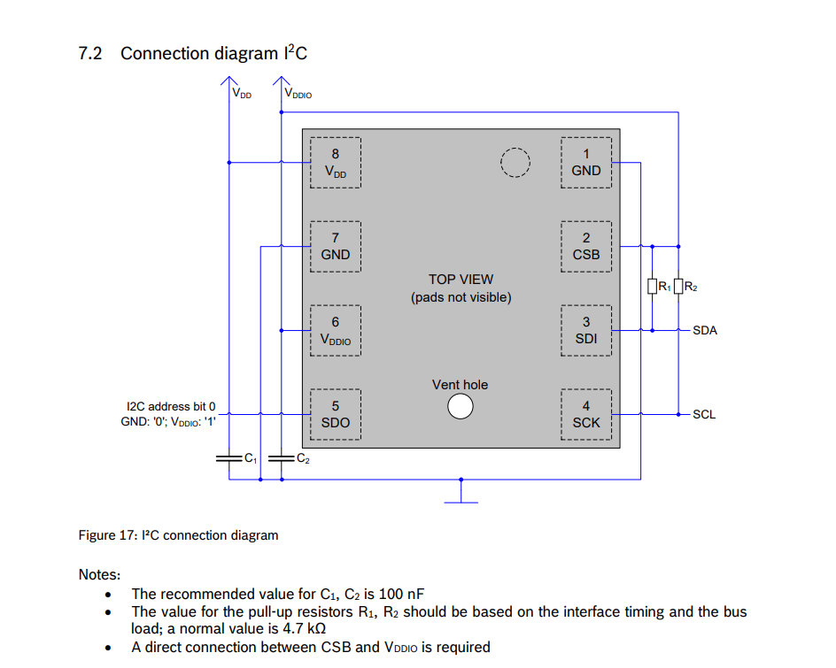
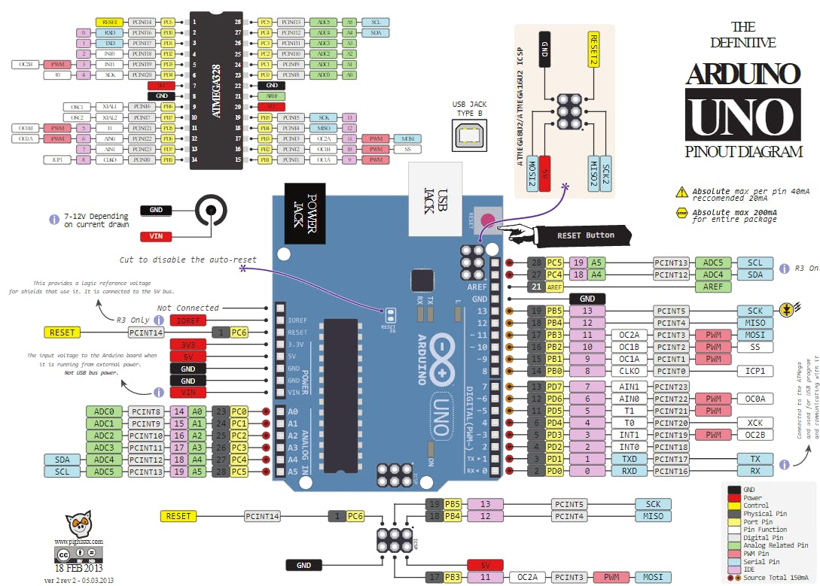
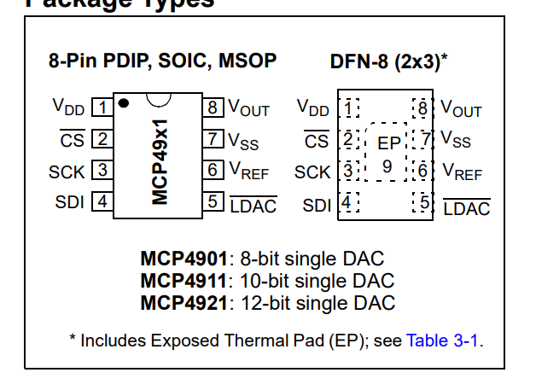
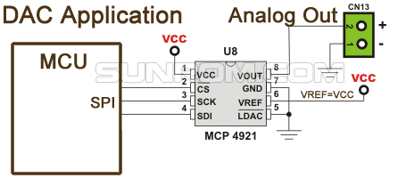
Temperature | API Output | Correct Parts | Correct Connections
0 | Here is one way to build that circuit: Components Needed: - Arduino Uno R3 - MCP4921 12-bit DAC - BME280 temperature/humidity/pressure sensor - Breadboard - Jumper wires - 4.7K resistor Circuit: 1. Connect VDD and VREF pins on the MCP4921 to the 5V pin on the Arduino 2. Connect the GND pin on the MCP4921 to a GND pin on the Arduino 3. Connect the CS/SHDN pin on the MCP4921 to digital pin 10 on the Arduino 4. Connect the SDI pin to digital pin 11 on the Arduino 5. Connect the SCK pin to digital pin 13 on the Arduino 6. Connect VIN and GND pins on the BME280 to 5V and GND pins on the Arduino 7. Connect the SCL pin to analog pin A5 on the Arduino 8. Connect the SDA pin to analog pin A4 on the Arduino 9. Connect a 4.7K pull-up resistor between SDA line and 5V The MCP4921 uses the SPI communication pins on the Arduino (10, 11, 13) to receive the 12-bit data that sets its DAC output voltage. The BME280 uses the I2C communication pins on the Arduino (A4, A5) to send temperature, humidity and pressure data back to the Arduino for reading. Let me know if you need any clarification or have additional questions! | Y | U
0 | Here is one way to build that circuit: Components Needed: - Arduino Uno R3 - MCP4921 12-bit DAC - BME280 temperature/humidity/pressure sensor - Breadboard - Jumper wires - 4.7K resistor Circuit: 1. Connect VDD and VREF pins on the MCP4921 to the 5V pin on the Arduino 2. Connect the GND pin on the MCP4921 to a GND pin on the Arduino 3. Connect the CS/SHDN pin on the MCP4921 to digital pin 10 on the Arduino 4. Connect the SDI pin on the MCP4921 to digital pin 11 on the Arduino 5. Connect the SCK pin on the MCP4921 to digital pin 13 on the Arduino 6. Connect VIN and GND pins on the BME280 to 5V and GND pins on the Arduino 7. Connect the SCL pin on the BME280 to analog pin A5 on the Arduino 8. Connect the SDA pin on the BME280 via a 4.7K pull-up resistor to analog pin A4 on the Arduino In the Arduino sketch, include both the Adafruit MCP4921 and Adafruit BME280 libraries. Initialize both devices in the setup() function and read the temperature, humidity and pressure values from the BME280. Map these sensor values to an analog voltage output and set the voltage on the MCP4921 DAC. Let me know if you need any clarification or have additional questions! | Y | U
0 | Here is one way to build that circuit: Components Needed: - Arduino Uno R3 - MCP4921 12-bit DAC - BME280 temperature/humidity/pressure sensor - Breadboard - Jumper wires - 4.7K resistor Circuit: 1. Connect VDD and VREF pins on the MCP4921 to the 5V pin on the Arduino 2. Connect the GND pin on the MCP4921 to a GND pin on the Arduino 3. Connect the CS/SHDN pin on the MCP4921 to digital pin 10 on the Arduino 4. Connect the SDI pin to digital pin 11 on the Arduino 5. Connect the SCK pin to digital pin 13 on the Arduino 6. Connect VIN and GND pins on the BME280 to 5V and GND pins on the Arduino 7. Connect the SCL pin to analog pin A5 on the Arduino 8. Connect the SDA pin to analog pin A4 on the Arduino 9. Connect a 4.7K pull-up resistor between SDA line and 5V The MCP4921 uses the SPI communication pins on the Arduino (pins 11, 12, 13) to receive the 12-bit data that sets the analog output voltage. The BME280 uses the I2C communication pins on the Arduino (analog pins A4, A5) to send temperature, humidity and pressure data to the Arduino. The pull-up resistor is required for the I2C interface to work properly. Let me know if you need any clarification or have additional questions! | Y | U
0 | Here is one way to build that circuit: Components Needed: - Arduino Uno R3 - MCP4921 12-bit DAC - BME280 temperature/humidity/pressure sensor - Breadboard - Jumper wires - 4.7K resistor Circuit: 1. Connect VDD and VREF pins on the MCP4921 to the 5V pin on the Arduino 2. Connect the GND pin on the MCP4921 to a GND pin on the Arduino 3. Connect the CS/SHDN pin on the MCP4921 to digital pin 10 on the Arduino 4. Connect the SDI pin to digital pin 11 on the Arduino 5. Connect the SCK pin to digital pin 13 on the Arduino 6. Connect VIN and GND pins on the BME280 to 5V and GND pins on the Arduino 7. Connect the SCL pin to analog pin A5 on the Arduino 8. Connect the SDA pin to analog pin A4 on the Arduino 9. Connect a 4.7K pull-up resistor between SDA line and 5V The MCP4921 uses the SPI communication pins on the Arduino (pins 11, 12, 13) to receive the 12-bit data that sets the analog output voltage. The BME280 uses the I2C communication pins on the Arduino (analog pins A4, A5) to send temperature, humidity and pressure data to the Arduino. The pull-up resistor is needed for the I2C interface to work properly. Let me know if you need any clarification or have additional questions! | Y | U
0 | Here is one way to build that circuit: Components Needed: - Arduino Uno R3 - MCP4921 12-bit DAC - BME280 temperature/humidity/pressure sensor - Breadboard - Jumper wires - 4.7K resistor Circuit: 1. Connect VDD and VREF pins on the MCP4921 to the 5V pin on the Arduino 2. Connect the GND pin on the MCP4921 to a GND pin on the Arduino 3. Connect the CS/SHDN pin on the MCP4921 to digital pin 10 on the Arduino 4. Connect the SDI pin on the MCP4921 to digital pin 11 on the Arduino 5. Connect the SCK pin on the MCP4921 to digital pin 13 on the Arduino 6. Connect VIN and GND pins on the BME280 to 5V and GND pins on the Arduino 7. Connect the SCL pin on the BME280 to analog pin A5 on the Arduino 8. Connect the SDA pin on the BME280 via a 4.7K pull-up resistor to analog pin A4 on the Arduino In the Arduino sketch, include both the Adafruit MCP4921 and Adafruit BME280 libraries. Initialize both devices in the setup() function and read the temperature, humidity and pressure values from the BME280. Map these sensor values to an analog voltage output and set the voltage on the MCP4921 DAC. Let me know if you need any clarification or have additional questions! | Y | U
0 | Here is one way to build a circuit using an Arduino Uno R3, MCP4921 DAC, and BME280 sensor: Components Needed: - Arduino Uno R3 - MCP4921 DAC - BME280 sensor module - Breadboard - Jumper wires - 10kΩ resistor Circuit: 1. Connect VDD and VREF pins on the MCP4921 to the 5V pin on the Arduino 2. Connect the GND pin on the MCP4921 to a GND pin on the Arduino 3. Connect the CS/SHDN pin on the MCP4921 to digital pin 10 on the Arduino 4. Connect the SDI pin on the MCP4921 to digital pin 11 on the Arduino 5. Connect the SCK pin on the MCP4921 to digital pin 13 on the Arduino 6. Place a 10kΩ pull-up resistor between the LDAC pin on the MCP4921 and 5V 7. Connect the LDAC pin also to digital pin 9 on the Arduino 8. Connect VIN and GND pins on the BME280 breakout to 5V and GND pins on the Arduino 9. Connect the SCL pin on the BME280 to analog pin A5 on the Arduino 10. Connect the SDA pin on the BME280 to analog pin A4 on the Arduino In the Arduino sketch, use the SPI and Wire libraries to communicate with the MCP4921 and BME280. Read the temperature/humidity/pressure data from the BME280 and output it as a voltage on the MCP4921 DAC. Let me know if you need any clarification or have additional questions! | Y | U
0 | Here is one way to build that circuit: Components Needed: - Arduino Uno R3 - MCP4921 12-bit DAC - BME280 temperature/humidity/pressure sensor - Breadboard - Jumper wires - 4.7K resistor Circuit: 1. Connect VDD and VREF pins on the MCP4921 to the 5V pin on the Arduino 2. Connect the GND pin on the MCP4921 to a GND pin on the Arduino 3. Connect the CS/SHDN pin on the MCP4921 to digital pin 10 on the Arduino 4. Connect the SDI pin on the MCP4921 to digital pin 11 on the Arduino 5. Connect the SCK pin on the MCP4921 to digital pin 13 on the Arduino 6. Connect VIN and GND pins on the BME280 to 5V and GND pins on the Arduino 7. Connect the SCL pin on the BME280 to analog pin A5 on the Arduino 8. Connect the SDA pin on the BME280 via a 4.7K pull-up resistor to analog pin A4 on the Arduino In the Arduino sketch, include both the Adafruit MCP4921 and Adafruit BME280 libraries. Initialize both devices in the setup() function and read the temperature, humidity and pressure values from the BME280. Map these sensor values to an analog voltage output and set the voltage on the MCP4921 DAC. Let me know if you need any clarification or have additional questions! | Y | U
0 | Here is one way to build that circuit: Components Needed: - Arduino Uno R3 - MCP4921 12-bit DAC - BME280 temperature/humidity/pressure sensor - Breadboard - Jumper wires - 4.7K resistor Circuit: 1. Connect VDD and VREF pins on the MCP4921 to the 5V pin on the Arduino 2. Connect the GND pin on the MCP4921 to a GND pin on the Arduino 3. Connect the CS/SHDN pin on the MCP4921 to digital pin 10 on the Arduino 4. Connect the SDI pin on the MCP4921 to digital pin 11 on the Arduino 5. Connect the SCK pin on the MCP4921 to digital pin 13 on the Arduino 6. Connect VIN and GND pins on the BME280 to 5V and GND pins on the Arduino 7. Connect the SCL pin on the BME280 to analog pin A5 on the Arduino 8. Connect the SDA pin on the BME280 via a 4.7K pull-up resistor to analog pin A4 on the Arduino In the Arduino sketch, include both the Adafruit MCP4921 and Adafruit BME280 libraries. Initialize both devices in the setup() function and read the temperature, humidity and pressure values from the BME280. Map these sensor values to an analog voltage output and set the voltage on the MCP4921 DAC. Let me know if you need any clarification or have additional questions! | Y | U
0 | Here is one way to build that circuit: Components Needed: - Arduino Uno R3 - MCP4921 12-bit DAC - BME280 temperature/humidity/pressure sensor - Breadboard - Jumper wires - 4.7K resistor Circuit: 1. Connect VDD and VREF pins on the MCP4921 to the 5V pin on the Arduino 2. Connect the GND pin on the MCP4921 to a GND pin on the Arduino 3. Connect the CS/SHDN pin on the MCP4921 to digital pin 10 on the Arduino 4. Connect the SDI pin on the MCP4921 to digital pin 11 on the Arduino 5. Connect the SCK pin on the MCP4921 to digital pin 13 on the Arduino 6. Connect VIN and GND pins on the BME280 to 5V and GND pins on the Arduino 7. Connect the SCL pin on the BME280 to analog pin A5 on the Arduino 8. Connect the SDA pin on the BME280 via a 4.7K pull-up resistor to analog pin A4 on the Arduino In the Arduino sketch, include both the Adafruit MCP4921 and Adafruit BME280 libraries. Initialize both devices in the setup() function and read the temperature, humidity and pressure values from the BME280. Map these values to an output voltage between 0-5V and output to the MCP4921 DAC. Let me know if you need any clarification or have additional questions! | Y | U
0 | Here is one way to build that circuit: Components Needed: - Arduino Uno R3 - MCP4921 12-bit DAC - BME280 temperature/humidity/pressure sensor - Breadboard - Jumper wires - 4.7K resistor Circuit: 1. Connect VDD and VREF pins on the MCP4921 to the 5V pin on the Arduino 2. Connect the GND pin on the MCP4921 to a GND pin on the Arduino 3. Connect the CS/SHDN pin on the MCP4921 to digital pin 10 on the Arduino 4. Connect the SDI pin on the MCP4921 to digital pin 11 on the Arduino 5. Connect the SCK pin on the MCP4921 to digital pin 13 on the Arduino 6. Connect VIN and GND pins on the BME280 to 5V and GND pins on the Arduino 7. Connect the SCL pin on the BME280 to analog pin A5 on the Arduino 8. Connect the SDA pin on the BME280 via a 4.7K pull-up resistor to analog pin A4 on the Arduino In the Arduino sketch, include both the Adafruit MCP4921 and Adafruit BME280 libraries. Initialize both devices in the setup() function and read the temperature, humidity and pressure values from the BME280. Map these sensor values to an analog voltage output and set the voltage on the MCP4921 DAC. Let me know if you need any clarification or have additional questions! | Y | U

 | Diagram is unreadable.

 |  | max tokens for gpt was 1024

 |  | For unkown pins it did not specifiy the remaining pins.

